RUNBOOK
The dataset consists of two parts, each part has a separate source.

Part_1 | 1. Go to link:
 | https://www.dmo.gov.uk/data/pdfdatareport?reportCode=D5D
 | 2. Select the latest date (1) and save the Excel file (2):
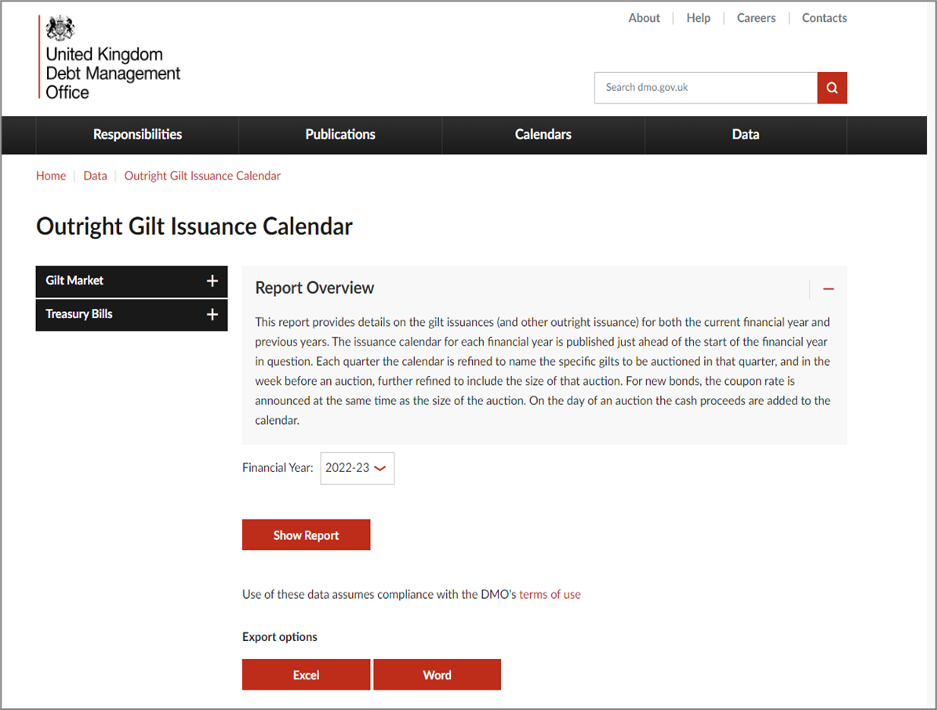

 | 3. In the file we need only "Cash Raised". We need data from the current year.

Part_2 | 1. Go to link:
 | https://www.dmo.gov.uk/data/ExportReport?reportCode=D1C

 | 2. Save the Excel file:

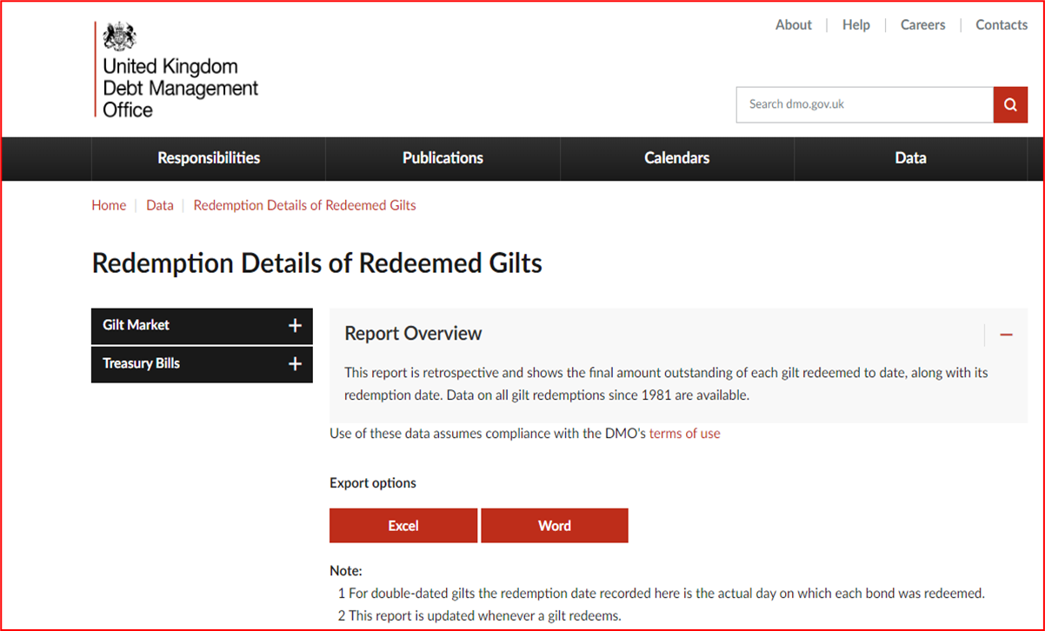

 | 3. We need all data from "Nominal amount outstanding at redemption (£ million)" column from the current year.
 | Importantly, values should be negative for this series (just multiply each nominal amount by -1).

Note | Frequently, it may be the case that there are multiple values for the same day, in which case we should add those values together.Example in the "example_sum" sheet.
 | The data should be checked daily for updates. NEXT_RELEASE_DATE - next business day.
 | Example - in the "DATA"sheet.

 | If the data is published on a weekend, then this data must be saved as data for Monday. If the data is published both on a weekend and on Monday, they must be summed up.

 | For example:
 | if the raw data had
 | 7/22/23: 10
 | 7/24/23: 40

 | I would like it to be represented as:
 | 7/24/23: 50

 | Save each part of the dataset to separate DATA/META file:

 | Outright Gilt Issuance Calendar data (part_1) - save in files with "PART_1" in the file name:
 | For example:
 | UKDMOGI_DATA_PART_1_20220926.xls
 | UKDMOGI_META_PART_1_20220926.xls

 | Redemption Details of Redeemed Gilts data (part 2) - save in the files with "PART_2" in the file name:
 | UKDMOGI_DATA_PART_2_20220926.xls
 | UKDMOGI_META_PART_2_20220926.xls

